все субграфы
Все субграфы | 0.0 | 0.0 | 0.0 | 0.0 | 0.0 | 0.0
0.27586093365500397 | 0.0 | 0.0 | 0.0 | 0.0 | 0.0 | 0.0
--- | 0.0 | 0.0 | 0.0 | 0.0 | 0.0 | 0.0
0.33770866875852945 | 0.0 | 0.0 | 0.0 | 0.0 | 0.0 | 0.0
--- | 3.3664069456112236 | 2.526704662836947 | 2.829655540493463 | 1.8914649749738415 | 1.8960503513390037 | 2.304147470157286
0.42480503112977985 | 0.0 | 0.0 | 0.0 | 0.0 | 0.9480251756695018 | 4.03225807277525
--- | 0.0 | 0.0 | 2.829655540493463 | 3.310063706204223 | 3.3180881148432566 | 2.304147470157286
0.4603828474130307 | 2.524805209208418 | 2.526704662836947 | 2.122241655370097 | 1.8914649749738415 | 1.8960503513390037 | 1.7281106026179645
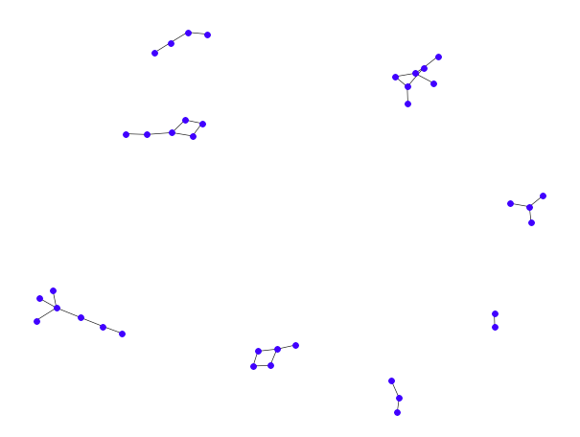
 | 0.0 | 0.0 | 0.0 | 0.0 | 0.0 | 0.0
 | 0.0 | 0.0 | 0.0 | 0.0 | 0.0 | 0.0
 | 2.524805209208418 | 2.526704662836947 | 2.122241655370097 | 1.8914649749738415 | 1.8960503513390037 | 1.7281106026179645
 | 0.0 | 0.0 | 0.0 | 0.0 | 0.0 | 0.0
 | 0.0 | 0.0 | 0.0 | 0.0 | 0.0 | 0.0
 | 0.0 | 0.0 | 0.0 | 0.0 | 0.0 | 0.0
 | 0.0 | 0.0 | 0.0 | 0.0 | 0.0 | 0.0
 | 0.0 | 0.0 | 0.0 | 0.0 | 0.0 | 0.0
 | 0.0 | 0.0 | 0.0 | 0.0 | 0.0 | 0.0
 | 0.0 | 0.0 | 0.0 | 0.0 | 0.0 | 0.0
 | 0.0 | 0.0 | 0.0 | 0.0 | 0.0 | 0.0
 | 3.3664069456112236 | 2.526704662836947 | 2.829655540493463 | 1.8914649749738415 | 1.8960503513390037 | 2.304147470157286
 | 0.0 | 0.0 | 0.0 | 0.0 | 0.0 | 0.0
 | 0.0 | 0.0 | 0.0 | 0.0 | 0.0 | 0.0
 | 1.6832034728056118 | 2.526704662836947 | 1.4148277702467316 | 1.8914649749738415 | 1.8960503513390037 | 1.152073735078643
 | 0.0 | 0.0 | 0.0 | 0.0 | 0.0 | 0.0
 | 0.0 | 0.0 | 0.0 | 0.0 | 0.0 | 0.0
 | 0.0 | 0.0 | 0.0 | 0.0 | 0.0 | 0.0
 | 0.0 | 0.0 | 0.0 | 0.0 | 0.0 | 0.0
 | 1.6832034728056118 | 2.526704662836947 | 1.4148277702467316 | 1.8914649749738415 | 1.8960503513390037 | 1.152073735078643
 | 0.0 | 0.0 | 0.0 | 0.0 | 0.9480251756695018 | 4.03225807277525
 | 0.0 | 0.0 | 0.0 | 0.0 | 0.0 | 0.0
 | 0.0 | 0.0 | 2.829655540493463 | 3.310063706204223 | 3.3180881148432566 | 2.304147470157286
 | 1.6832034728056118 | 2.526704662836947 | 1.4148277702467316 | 1.8914649749738415 | 1.8960503513390037 | 1.152073735078643
 | 0.0 | 0.0 | 0.0 | 0.0 | 0.0 | 0.0
 | 0.0 | 0.0 | 0.0 | 0.0 | 0.0 | 0.0
 | 0.0 | 0.0 | 0.0 | 0.0 | 0.0 | 0.0
 | 0.0 | 0.0 | 0.0 | 0.0 | 0.0 | 0.0
 | 0.0 | 0.0 | 2.829655540493463 | 3.310063706204223 | 3.3180881148432566 | 2.304147470157286
 | 2.524805209208418 | 2.526704662836947 | 2.122241655370097 | 1.8914649749738415 | 1.8960503513390037 | 1.7281106026179645
 | 0.0 | 0.0 | 0.0 | 0.0 | 0.0 | 0.0
 | 0.0 | 0.0 | 0.0 | 0.0 | 0.0 | 0.0
 | 0.0 | 0.0 | 0.0 | 0.0 | 0.0 | 0.0
...

5 связей
...
-1.4553868645484914e-07
------------------------------------------------------------------------------
x1 0.6951 0.317 2.190 0.032 0.061 1.329
x2 -0.4484 2.477 -0.181 0.857 -5.393 4.497
x3 -0.4360 1.790 -0.244 0.808 -4.009 3.137
x4 0.2437 2.652 0.092 0.927 -5.049 5.536
x5 -0.5878 2.829 -0.208 0.836 -6.235 5.059
x6 2.9309 2.720 1.077 0.285 -2.498 8.360
==============================================================================
Omnibus: 8.868 Durbin-Watson: 1.268
Prob(Omnibus): 0.012 Jarque-Bera (JB): 8.990
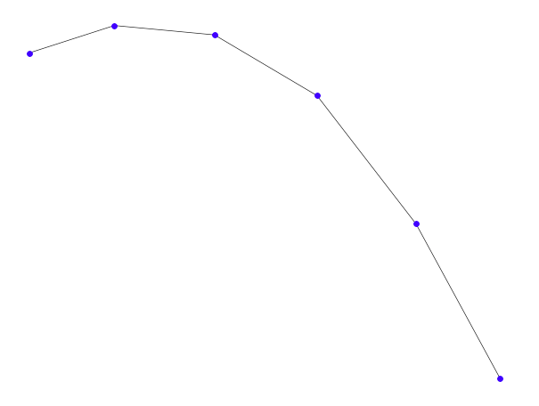
Skew: 0.862 Prob(JB): 0.0112
Kurtosis: 3.167 Cond. No. 3.40e+16
==============================================================================

Х до удаление одинаковых столбцов | 0.0 | 0.0 | 0.0
 | 0.0 | 0.0 | 0.0
 | 0.0 | 0.0 | 0.0
 | 0.0 | 0.0 | 0.0
 | 2.0 | 3.0 | 1.0
 | 2.0 | 3.0 | 1.0
 | 0.0 | 0.0 | 0.0
 | 1.0 | 2.0 | 3.0
 | 0.0 | 0.0 | 0.0
 | 0.0 | 0.0 | 0.0
 | 2.0 | 2.0 | 2.0
 | 0.0 | 0.0 | 0.0
 | 0.0 | 0.0 | 0.0
 | 0.0 | 0.0 | 0.0
 | 0.0 | 0.0 | 0.0
 | 0.0 | 0.0 | 0.0
 | 0.0 | 0.0 | 0.0
 | 0.0 | 0.0 | 0.0
 | 0.0 | 0.0 | 0.0
 | 2.0 | 3.0 | 1.0
 | 0.0 | 0.0 | 0.0
 | 0.0 | 0.0 | 0.0
 | 3.0 | 2.0 | 1.0
...

6 связей
...
0.0
coef std err t P>|t| [0.025 0.975]
------------------------------------------------------------------------------
x1 0.5540 0.305 1.818 0.073 -0.054 1.162
x2 1.2513 2.876 0.435 0.665 -4.485 6.988
x3 1.9487 5.453 0.357 0.722 -8.927 12.825
x4 0.4107 1.984 0.207 0.837 -3.546 4.367
x5 1.8054 3.177 0.568 0.572 -4.530 8.141
x6 0.1240 6.541 0.019 0.985 -12.923 13.171
x7 3.8781 2.134 1.818 0.073 -0.377 8.133
==============================================================================
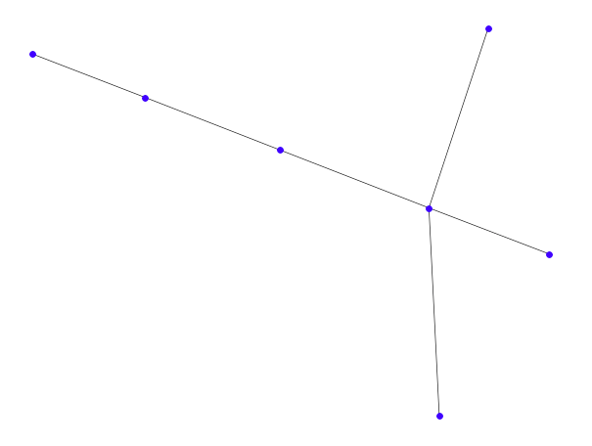
Omnibus: 21.982 Durbin-Watson: 1.645
Prob(Omnibus): 0.000 Jarque-Bera (JB): 28.735
Skew: 1.431 Prob(JB): 5.76e-07
Kurtosis: 4.177 Cond. No. 1.10e+32
==============================================================================

